Sheet1
CITY OF FRITCH, TEXAS
HUTCHINSON COUNTY

Texas Local Government Code § 102.007 Notice

This budget will raise more revenue from property taxes than last year’s budget by an amount of $6,317.64, which is a 1.34% increase from last year’s budget. The property tax revenue to be raised from new property added to the tax roll this year is $1,566.96.

The record vote of each member of the Fritch City Council, by name, voting on the adoption of the budget is as follows:

· FOR: Mayor Dwight Kirksey, Mayor Pro Tem Richard Hein, Alderman Arlin Audrain, Alderman Billy Robbins, and Alderman Ruth DeRosa
· AGAINST: None
· PRESENT AND NOT VOTING: Alderman Tom Ray
· ABSENT: None
 | Comparison of preceding fiscal year and current fiscal year:
 |  |  |  | 2017-2018 | 2018-2019
 | Property Tax Rate |  |  | $0.699213 | $0.699213
 | Effective Tax Rate |  |  | $0.699213 | $0.699296
 | Rollback Tax Rate |  |  | $1.133340* | $0.755317

 | *Calculated Rollback Rates adjusted for sales tax collected to offset property taxes

 | The total amount of Debt Obligation secured by property taxes for the City of Fritch is:

 | $2,595,000 to BNY Mellon for 2003 Bond Series
 | $2,275,000 to Bank of Texas for 2011 Bond Series
 | $4,870,000

General Fund

 |  |  |  |  |  |  | 2018-2019 Fiscal Year
Revenue & Expenditures
 | Revenue
 |  | Administration Dept
 |  |  | Tax Receipts
 |  |  |  | 511 | 4110 | Franchise/Right-Of-Way Fees | $134,000.00
Total Tax Receipts |  |  |  |  |  |  | $134,000.00
 |  |  | Fees & Permits
 |  |  |  | 511 | 4204 | Permits And Fees | $80.00
Total Fees & Permits |  |  |  |  |  |  | $80.00
 |  |  | Other Revenue
 |  |  |  | 511 | 4709 | Misc. Revenue | $5,000.00
Total Other Revenue |  |  |  |  |  |  | $5,000.00
Administration Dept Totals |  |  |  |  |  |  | $139,080.00
 |  | Fire Dept
 |  |  | Other Revenue
 |  |  |  | 514 | 4718 | Donations - Fire Department | $500.00
 |  |  |  | 400 | 4300 | Fire Department Subsidy | $41,000.00
 |  |  |  | 400 | 4304 | Fire Department Grant | $1,000.00
Total Other Revenue |  |  |  |  |  |  | $42,500.00
Fire Dept Totals |  |  |  |  |  |  | $42,500.00
 |  | General Revenues
 |  |  | Tax Receipts
 |  |  |  | 400 | 4101 | Taxes - Current M & O | $223,582.35
 |  |  |  | 400 | 4103 | Taxes - Delinquent M & O | $8,713.59
 |  |  |  | 400 | 4104 | Taxes - Penalty/Int M & O | $5,186.27
 |  |  |  | 400 | 4107 | Sales Tax Revenue | $197,093.29
 |  |  |  | 400 | 4108 | Street Improvement(Sales Tax) | $39,500.00
Total Tax Receipts |  |  |  |  |  |  | $474,075.50
 |  |  | Fines and Forfeitures
 |  |  |  | 400 | 4400 | Court Fines | $43,000.00
 |  |  |  | 400 | 4401 | Court Security Fee | $525.00
 |  |  |  | 400 | 4402 | Court Technology Fee | $680.00
 |  |  |  | 400 | 4404 | DPS Omni Fee | $670.00
Total Fines and Forfeitures |  |  |  |  |  |  | $44,875.00
 |  |  | Transfers In
 |  |  |  | 400 | 4901 | Transfer In | $442,348.50
Total Transfers In |  |  |  |  |  |  | $442,348.50
General Revenues Totals |  |  |  |  |  |  | $1,142,879.00
 |  | Museum Dept
 |  |  | Other Revenue
 |  |  |  | 519 | 4707 | Museum Donations & Memorials | $500.00
 |  |  |  | 519 | 4712 | Museum Gift Shop Sales | $50.00
 |  |  |  | 519 | 4725 | Museum Booth Rental | $30.00
 |  |  |  | 519 | 4729 | Museum Event Entry Fees | $700.00
 |  |  |  | 519 | 4731 | Museum Car Show Donations | $200.00
 |  |  |  | 519 | 4732 | Museum Event Resale Items | $100.00
 |  |  |  | 519 | 4733 | Museum Event Donations | $50.00
Total Other Revenue |  |  |  |  |  |  | $1,630.00
Museum Dept Totals |  |  |  |  |  |  | $1,630.00
Total Revenue |  |  |  |  |  |  | $1,144,509.00
 | Expenses
 |  | Administration Dept
 |  |  | Personnel Services
 |  |  |  | 511 | 5101 | Salary/Wages | $135,000.00
 |  |  |  | 511 | 5112 | Payroll Taxes | $9,535.00
 |  |  |  | 511 | 5114 | Retirement (TMRS) | $3,739.00
 |  |  |  | 511 | 5115 | LTD, AD&D & Life Insurance | $2,000.00
 |  |  |  | 511 | 5118 | Workers Comp Insurance | $476.00
 |  |  |  | 511 | 5120 | Medical Insurance | $14,000.00
 |  |  |  | 511 | 5121 | Longevity | $300.00
 |  |  |  | 511 | 5132 | Council Pay | $200.00
 |  |  |  | 511 | 5142 | Car Allowance | $2,400.00
 |  |  |  | 511 | 5143 | Cell Phone Allowance | $600.00
Total Personnel Services |  |  |  |  |  |  | $168,250.00
 |  |  | Contractual Services
 |  |  |  | 511 | 5202 | Contract Labor | $4,500.00
 |  |  |  | 511 | 5203 | Legal Fees | $5,000.00
 |  |  |  | 511 | 5205 | Dues/Subscriptions | $1,500.00
 |  |  |  | 511 | 5206 | Appraisal District Fees | $8,500.00
 |  |  |  | 511 | 5207 | Audit | $11,500.00
 |  |  |  | 511 | 5220 | Telephone/Communications | $6,000.00
 |  |  |  | 511 | 5221 | Senior Citizens Expense | $1,500.00
 |  |  |  | 511 | 5238 | Business Expense | $400.00
 |  |  |  | 511 | 5240 | Advertising/Public Notice | $500.00
 |  |  |  | 511 | 5246 | Insurance & Bonds | $14,486.00
 |  |  |  | 511 | 5250 | Electricity | $5,500.00
 |  |  |  | 511 | 5251 | Gas | $4,500.00
 |  |  |  | 511 | 5254 | Postage/Freight | $500.00
 |  |  |  | 511 | 5256 | Printing Expense | $600.00
 |  |  |  | 511 | 5258 | Filing & Recording | $50.00
 |  |  |  | 511 | 5263 | Equipment Rentals | $2,000.00
 |  |  |  | 511 | 5266 | EMS Expenses | $5,000.00
 |  |  |  | 511 | 5270 | Tech Support | $0.00
 |  |  |  | 511 | 5272 | Software Maint. Agreement | $900.00
 |  |  |  | 511 | 5282 | Travel/Training | $7,000.00
 |  |  |  | 511 | 5285 | Election Expense | $8,000.00
 |  |  |  | 511 | 5290 | Ambulance Subsidy | $42,000.00
Total Contractual Services |  |  |  |  |  |  | $129,936.00
 |  |  | Supplies
 |  |  |  | 511 | 5301 | Repair & Maint - Building | $15,000.00
 |  |  |  | 511 | 5303 | Repair & Maint - Equipment | $200.00
 |  |  |  | 511 | 5308 | Repair & Maint - Computers | $1,000.00
 |  |  |  | 511 | 5313 | Repair & Maint - Office Equip | $6,000.00
 |  |  |  | 511 | 5318 | Minor Tools & Apparatus | $100.00
 |  |  |  | 511 | 5319 | Computer Software | $2,650.00
 |  |  |  | 511 | 5320 | Office Expense | $3,000.00
 |  |  |  | 511 | 5322 | Uniforms | $300.00
Total Supplies |  |  |  |  |  |  | $28,250.00
Administration Dept Totals |  |  |  |  |  |  | $326,436.00
 |  | Animal Control Dept
 |  |  | Personnel Services
 |  |  |  | 513 | 5101 | Salary/Wages | $37,900.00
 |  |  |  | 513 | 5102 | Overtime | $50.00
 |  |  |  | 513 | 5112 | Payroll Taxes | $2,900.00
 |  |  |  | 513 | 5114 | Retirement (TMRS) | $1,145.00
 |  |  |  | 513 | 5115 | LTD, AD&D & Life Insurance | $40.00
 |  |  |  | 513 | 5118 | Workers Comp Insurance | $1,545.00
 |  |  |  | 513 | 5120 | Medical Insurance | $6,500.00
 |  |  |  | 513 | 5121 | Longevity | $400.00
Total Personnel Services |  |  |  |  |  |  | $50,480.00
 |  |  | Contractual Services
 |  |  |  | 513 | 5200 | Employee Licenses | $50.00
 |  |  |  | 513 | 5220 | Telephone/Communications | $900.00
 |  |  |  | 513 | 5246 | Insurance & Bonds | $608.00
 |  |  |  | 513 | 5250 | Electricity | $950.00
 |  |  |  | 513 | 5251 | Gas | $1,300.00
 |  |  |  | 513 | 5254 | Postage/Freight | $50.00
 |  |  |  | 513 | 5275 | Testing | $300.00
 |  |  |  | 513 | 5282 | Travel/Training | $0.00
Total Contractual Services |  |  |  |  |  |  | $4,158.00
 |  |  | Supplies
 |  |  |  | 513 | 5301 | Repair & Maint - Building | $500.00
 |  |  |  | 513 | 5302 | Repair & Maintenance- Vehicles | $1,000.00
 |  |  |  | 513 | 5318 | Minor Tools & Apparatus | $100.00
 |  |  |  | 513 | 5320 | Office Expense | $300.00
 |  |  |  | 513 | 5322 | Uniforms | $150.00
 |  |  |  | 513 | 5327 | Sheltered Animal Expense | $150.00
 |  |  |  | 513 | 5351 | Fuel | $2,000.00
Total Supplies |  |  |  |  |  |  | $4,200.00
 |  |  | Capital Purchases
 |  |  |  | 513 | 5405 | Capital Expenditure | $20,000.00
Total Capital Purchases |  |  |  |  |  |  | $20,000.00
Animal Control Dept Totals |  |  |  |  |  |  | $78,838.00
 |  | Code Enforcement Dept
 |  |  | Contractual Services
 |  |  |  | 510 | 5202 | Contract Labor | $100.00
 |  |  |  | 510 | 5203 | Legal Fees | $100.00
 |  |  |  | 510 | 5220 | Telephone/Communications | $0.00
 |  |  |  | 510 | 5246 | Insurance & Bonds | $42.00
 |  |  |  | 510 | 5254 | Postage/Freight | $15.00
 |  |  |  | 510 | 5258 | Filing & Recording | $50.00
 |  |  |  | 510 | 5282 | Travel/Training | $0.00
Total Contractual Services |  |  |  |  |  |  | $307.00
 |  |  | Supplies
 |  |  |  | 510 | 5302 | Repair & Maintenance- Vehicles | $0.00
 |  |  |  | 510 | 5318 | Minor Tools & Apparatus | $100.00
 |  |  |  | 510 | 5320 | Office Expense | $150.00
 |  |  |  | 510 | 5351 | Fuel | $100.00
Total Supplies |  |  |  |  |  |  | $350.00
Code Enforcement Dept Totals |  |  |  |  |  |  | $657.00
 |  | Court Dept
 |  |  | Personnel Services
 |  |  |  | 518 | 5101 | Salary/Wages | $35,350.00
 |  |  |  | 518 | 5102 | Overtime | $300.00
 |  |  |  | 518 | 5112 | Payroll Taxes | $2,710.00
 |  |  |  | 518 | 5114 | Retirement (TMRS) | $1,061.00
 |  |  |  | 518 | 5115 | LTD, AD&D & Life Insurance | $35.00
 |  |  |  | 518 | 5118 | Workers Comp Insurance | $116.00
 |  |  |  | 518 | 5120 | Medical Insurance | $6,500.00
 |  |  |  | 518 | 5121 | Longevity | $300.00
Total Personnel Services |  |  |  |  |  |  | $46,372.00
 |  |  | Contractual Services
 |  |  |  | 518 | 5202 | Contract Labor | $8,400.00
 |  |  |  | 518 | 5203 | Legal Fees | $1,000.00
 |  |  |  | 518 | 5205 | Dues/Subscriptions | $100.00
 |  |  |  | 518 | 5212 | Collection Expense | $2,300.00
 |  |  |  | 518 | 5219 | Fees-State Court | $600.00
 |  |  |  | 518 | 5220 | Telephone/Communications | $150.00
 |  |  |  | 518 | 5224 | Drug Testing | $20.00
 |  |  |  | 518 | 5227 | Omnibase Fees | $250.00
 |  |  |  | 518 | 5238 | Business Expense | $500.00
 |  |  |  | 518 | 5246 | Insurance & Bonds | $281.00
 |  |  |  | 518 | 5254 | Postage/Freight | $300.00
 |  |  |  | 518 | 5272 | Software Maint. Agreement | $5,000.00
 |  |  |  | 518 | 5282 | Travel/Training | $2,200.00
Total Contractual Services |  |  |  |  |  |  | $21,101.00
 |  |  | Supplies
 |  |  |  | 518 | 5319 | Computer Software | $500.00
 |  |  |  | 518 | 5320 | Office Expense | $1,700.00
 |  |  |  | 518 | 5322 | Uniforms | $200.00
Total Supplies |  |  |  |  |  |  | $2,400.00
Court Dept Totals |  |  |  |  |  |  | $69,873.00
 |  | Fire Dept
 |  |  | Personnel Services
 |  |  |  | 514 | 5118 | Workers Comp Insurance | $806.00
Total Personnel Services |  |  |  |  |  |  | $806.00
 |  |  | Contractual Services
 |  |  |  | 514 | 5202 | Contract Labor | $500.00
 |  |  |  | 514 | 5203 | Legal Fees | $250.00
 |  |  |  | 514 | 5205 | Dues/Subscriptions | $2,000.00
 |  |  |  | 514 | 5210 | Dispatch fees | $4,200.00
 |  |  |  | 514 | 5220 | Telephone/Communications | $3,500.00
 |  |  |  | 514 | 5238 | Business Expense | $0.00
 |  |  |  | 514 | 5246 | Insurance & Bonds | $10,000.00
 |  |  |  | 514 | 5250 | Electricity | $4,500.00
 |  |  |  | 514 | 5251 | Gas | $5,500.00
 |  |  |  | 514 | 5254 | Postage/Freight | $40.00
 |  |  |  | 514 | 5282 | Travel/Training | $4,000.00
Total Contractual Services |  |  |  |  |  |  | $34,490.00
 |  |  | Supplies
 |  |  |  | 514 | 5301 | Repair & Maint - Building | $4,000.00
 |  |  |  | 514 | 5302 | Repair & Maintenance- Vehicles | $9,150.00
 |  |  |  | 514 | 5303 | Repair & Maint - Equipment | $7,500.00
 |  |  |  | 514 | 5308 | Repair & Maint - Computers | $500.00
 |  |  |  | 514 | 5309 | Repair & Maint - CommunicEquip | $3,500.00
 |  |  |  | 514 | 5313 | Repair & Maint - Office Equip | $2,400.00
 |  |  |  | 514 | 5315 | Repair & Maint - Other Equip | $2,000.00
 |  |  |  | 514 | 5318 | Minor Tools & Apparatus | $1,000.00
 |  |  |  | 514 | 5319 | Computer Software | $250.00
 |  |  |  | 514 | 5320 | Office Expense | $600.00
 |  |  |  | 514 | 5322 | Uniforms | $500.00
 |  |  |  | 514 | 5351 | Fuel | $6,300.00
 |  |  |  | 514 | 5376 | Grant Expenses | $5,000.00
Total Supplies |  |  |  |  |  |  | $42,700.00
 |  |  | Capital Purchases
 |  |  |  | 514 | 5405 | Capital Expenditure | $2,000.00
Total Capital Purchases |  |  |  |  |  |  | $2,000.00
Fire Dept Totals |  |  |  |  |  |  | $79,996.00
 |  | Museum Dept
 |  |  | Personnel Services
 |  |  |  | 519 | 5101 | Salary/Wages | $10,300.00
 |  |  |  | 519 | 5102 | Overtime | $100.00
 |  |  |  | 519 | 5112 | Payroll Taxes | $788.00
 |  |  |  | 519 | 5114 | Retirement (TMRS) | $310.00
 |  |  |  | 519 | 5115 | LTD, AD&D & Life Insurance | $30.00
 |  |  |  | 519 | 5118 | Workers Comp Insurance | $53.00
 |  |  |  | 519 | 5120 | Medical Insurance | $5,500.00
Total Personnel Services |  |  |  |  |  |  | $17,081.00
 |  |  | Contractual Services
 |  |  |  | 519 | 5201 | Professional Fees | $50.00
 |  |  |  | 519 | 5202 | Contract Labor | $250.00
 |  |  |  | 519 | 5205 | Dues/Subscriptions | $100.00
 |  |  |  | 519 | 5220 | Telephone/Communications | $2,000.00
 |  |  |  | 519 | 5238 | Business Expense | $250.00
 |  |  |  | 519 | 5240 | Advertising/Public Notice | $100.00
 |  |  |  | 519 | 5246 | Insurance & Bonds | $401.00
 |  |  |  | 519 | 5250 | Electricity | $3,000.00
 |  |  |  | 519 | 5251 | Gas | $1,200.00
 |  |  |  | 519 | 5254 | Postage/Freight | $50.00
 |  |  |  | 519 | 5256 | Printing Expense | $50.00
 |  |  |  | 519 | 5282 | Travel/Training | $250.00
Total Contractual Services |  |  |  |  |  |  | $7,701.00
 |  |  | Supplies
 |  |  |  | 519 | 5300 | Gift Shop Resale items | $250.00
 |  |  |  | 519 | 5301 | Repair & Maint - Building | $2,500.00
 |  |  |  | 519 | 5303 | Repair & Maint - Equipment | $2,000.00
 |  |  |  | 519 | 5315 | Repair & Maint - Other Equip | $100.00
 |  |  |  | 519 | 5320 | Office Expense | $1,500.00
 |  |  |  | 519 | 5376 | Event Supplies | $750.00
Total Supplies |  |  |  |  |  |  | $7,100.00
Museum Dept Totals |  |  |  |  |  |  | $31,882.00
 |  | Parks & Recreation Dept
 |  |  | Personnel Services
 |  |  |  | 515 | 5101 | Salary/Wages | $5,000.00
 |  |  |  | 515 | 5112 | Payroll Taxes | $765.00
 |  |  |  | 515 | 5118 | Workers Comp Insurance | $989.00
Total Personnel Services |  |  |  |  |  |  | $6,754.00
 |  |  | Contractual Services
 |  |  |  | 515 | 5246 | Insurance & Bonds | $600.00
 |  |  |  | 515 | 5250 | Electricity | $355.00
Total Contractual Services |  |  |  |  |  |  | $955.00
Parks & Recreation Dept Totals |  |  |  |  |  |  | $7,709.00
 |  | Police Dept
 |  |  | Personnel Services
 |  |  |  | 512 | 5101 | Salary/Wages | $211,564.00
 |  |  |  | 512 | 5102 | Overtime | $4,000.00
 |  |  |  | 512 | 5112 | Payroll Taxes | $16,200.00
 |  |  |  | 512 | 5114 | Retirement (TMRS) | $6,350.00
 |  |  |  | 512 | 5115 | LTD, AD&D & Life Insurance | $160.00
 |  |  |  | 512 | 5118 | Workers Comp Insurance | $9,128.00
 |  |  |  | 512 | 5120 | Medical Insurance | $25,000.00
Total Personnel Services |  |  |  |  |  |  | $272,402.00
 |  |  | Contractual Services
 |  |  |  | 512 | 5200 | Employee Licenses | $250.00
 |  |  |  | 512 | 5202 | Contract Labor | $600.00
 |  |  |  | 512 | 5203 | Legal Fees | $5,000.00
 |  |  |  | 512 | 5205 | Dues/Subscriptions | $500.00
 |  |  |  | 512 | 5210 | Dispatch fees | $55,000.00
 |  |  |  | 512 | 5220 | Telephone/Communications | $5,500.00
 |  |  |  | 512 | 5224 | Drug Testing | $0.00
 |  |  |  | 512 | 5240 | Advertising/Public Notice | $50.00
 |  |  |  | 512 | 5246 | Insurance & Bonds | $4,643.00
 |  |  |  | 512 | 5249 | Jail Fees | $1,000.00
 |  |  |  | 512 | 5250 | Electricity | $3,000.00
 |  |  |  | 512 | 5251 | Gas | $1,200.00
 |  |  |  | 512 | 5254 | Postage/Freight | $75.00
 |  |  |  | 512 | 5256 | Printing Expense | $500.00
 |  |  |  | 512 | 5258 | Filing & Recording | $25.00
 |  |  |  | 512 | 5272 | Software Maint. Agreement | $50.00
 |  |  |  | 512 | 5282 | Travel/Training | $1,000.00
Total Contractual Services |  |  |  |  |  |  | $78,393.00
 |  |  | Supplies
 |  |  |  | 512 | 5301 | Repair & Maint - Building | $4,500.00
 |  |  |  | 512 | 5302 | Repair & Maintenance- Vehicles | $16,500.00
 |  |  |  | 512 | 5303 | Repair & Maint - Equipment | $2,000.00
 |  |  |  | 512 | 5308 | Repair & Maint - Computers | $250.00
 |  |  |  | 512 | 5313 | Repair & Maint - Office Equip | $1,000.00
 |  |  |  | 512 | 5318 | Minor Tools & Apparatus | $500.00
 |  |  |  | 512 | 5319 | Computer Software | $2,500.00
 |  |  |  | 512 | 5320 | Office Expense | $3,000.00
 |  |  |  | 512 | 5322 | Uniforms | $1,500.00
 |  |  |  | 512 | 5325 | Technology Upgrade | $0.00
 |  |  |  | 512 | 5351 | Fuel | $11,000.00
 |  |  |  | 512 | 5360 | Ammunition | $500.00
Total Supplies |  |  |  |  |  |  | $43,250.00
 |  |  | Capital Purchases
 |  |  |  | 512 | 5400 | Vehicle Payment | $8,720.00
Total Capital Purchases |  |  |  |  |  |  | $8,720.00
Police Dept Totals |  |  |  |  |  |  | $402,765.00
 |  | Streets Dept
 |  |  | Personnel Services
 |  |  |  | 517 | 5101 | Salary/Wages | $21,500.00
 |  |  |  | 517 | 5102 | Overtime | $1,000.00
 |  |  |  | 517 | 5112 | Payroll Taxes | $1,650.00
 |  |  |  | 517 | 5114 | Retirement (TMRS) | $650.00
 |  |  |  | 517 | 5115 | LTD, AD&D & Life Insurance | $30.00
 |  |  |  | 517 | 5118 | Workers Comp Insurance | $1,714.00
 |  |  |  | 517 | 5120 | Medical Insurance | $6,000.00
Total Personnel Services |  |  |  |  |  |  | $32,544.00
 |  |  | Contractual Services
 |  |  |  | 517 | 5202 | Contract Labor | $7,500.00
 |  |  |  | 517 | 5246 | Insurance & Bonds | $1,824.00
 |  |  |  | 517 | 5250 | Electricity | $36,000.00
Total Contractual Services |  |  |  |  |  |  | $45,324.00
 |  |  | Supplies
 |  |  |  | 517 | 5302 | Repair & Maintenance- Vehicles | $2,000.00
 |  |  |  | 517 | 5303 | Repair & Maint - Equipment | $2,000.00
 |  |  |  | 517 | 5308 | Repair & Maint - Computers | $50.00
 |  |  |  | 517 | 5311 | Repair & Maint - Machinery | $500.00
 |  |  |  | 517 | 5315 | Repair & Maint - Other Equip | $500.00
 |  |  |  | 517 | 5318 | Minor Tools & Apparatus | $100.00
 |  |  |  | 517 | 5322 | Uniforms | $850.00
 |  |  |  | 517 | 5341 | Repair & Maint - Streets | $4,000.00
 |  |  |  | 517 | 5342 | Repair & Maint - Traffic Signs | $4,385.00
 |  |  |  | 517 | 5351 | Fuel | $2,000.00
 |  |  |  | 517 | 5365 | Chemicals | $100.00
 |  |  |  | 517 | 5370 | Street Improvement | $50,000.00
 |  |  |  | 517 | 5375 | Supplies | $2,000.00
Total Supplies |  |  |  |  |  |  | $68,485.00
Streets Dept Totals |  |  |  |  |  |  | $146,353.00

Expenses |  |  |  |  |  |  | $1,144,509.00
Revenue Less Expenditures |  |  |  |  |  |  | $0.00

Public Works Fund

Revenue
 | Recycle/Trash Dept
 |  | Other Revenue
 |  |  |  | 531 | 4734 | Sale Of Recyclable Materials | $1,000.00
Total Other Revenue |  |  |  |  |  |  | $1,000.00
 |  | Charge for Service
 |  |  |  | 531 | 4802 | Collection Station Fees | $3,400.00
 |  |  |  | 531 | 4806 | Municipal Solid Waste Revenue | $350,000.00
Total Charge for Service |  |  |  |  |  |  | $353,400.00
Recycle/Trash Dept Totals |  |  |  |  |  |  | $354,400.00
 | Sewer Dept
 |  | Charge for Service
 |  |  |  | 522 | 4812 | Sewer Revenue | $228,000.00
Total Charge for Service |  |  |  |  |  |  | $228,000.00
Sewer Dept Totals |  |  |  |  |  |  | $228,000.00
 | Water Dept
 |  | Fees & Permits
 |  |  |  | 521 | 4204 | Permits And Fees | $10.00
Total Permits and Fees |  |  |  |  |  |  | $10.00
 |  | Other Revenue
 |  |  |  | 521 | 4700 | Uncollected Revenue | *
 |  |  |  | 521 | 4701 | Texpool - Texstar Interest | $25.00
 |  |  |  | 521 | 4702 | Returned Check Fee | $100.00
 |  |  |  | 521 | 4719 | Reimbursement | $2,000.00
 |  |  |  | 521 | 4736 | Park Contributions (Voluntary) | $1.00
Total Other Revenue |  |  |  |  |  |  | $2,126.00
 |  | Public Works Miscellaneous
 |  |  |  | 521 | 4208 | PUC Surcharge | $17,500.00
 |  |  |  | 521 | 4210 | Customer Late Fee | $20,000.00
Total PW Miscellaneous |  |  |  |  |  |  | $37,500.00
 |  | Charge for Service
 |  |  |  | 521 | 4800 | Bulk Water Sales | $100.00
 |  |  |  | 521 | 4808 | Reconnect Fees | $10,000.00
 |  |  |  | 521 | 4816 | Water Revenue | $1,600,000.00
 |  |  |  | 521 | 4818 | Water Taps | $2,000.00
 |  |  |  | 521 | 4820 | Water Turn On Fee | $1,000.00
Total Charge for Service |  |  |  |  |  |  | $1,613,100.00
Water Dept Totals |  |  |  |  |  |  | $1,652,736.00
Revenue |  |  |  |  |  |  | $2,235,136.00
Expenses
 | Recycle/Trash Dept
 |  | Personnel Services
 |  |  |  | 531 | 5101 | Salary/Wages | $19,571.00
 |  |  |  | 531 | 5112 | Payroll Taxes | $1,500.00
 |  |  |  | 531 | 5114 | Retirement (TMRS) | $588.00
 |  |  |  | 531 | 5115 | LTD, AD&D & Life Insurance | $40.00
 |  |  |  | 531 | 5118 | Workers Comp Insurance | $2,420.00
Total Personnel Services |  |  |  |  |  |  | $24,119.00
 |  | Contractual Services
 |  |  |  | 531 | 5204 | MSW Contract Republic | $310,000.00
 |  |  |  | 531 | 5220 | Telephone/Communications | $700.00
 |  |  |  | 531 | 5246 | Insurance & Bonds | $1,250.00
 |  |  |  | 531 | 5250 | Electricity | $1,100.00
 |  |  |  | 531 | 5251 | Gas | $1,100.00
Total Contractual Services |  |  |  |  |  |  | $314,150.00
 |  | Supplies
 |  |  |  | 531 | 5301 | Repair & Maint - Building | $500.00
 |  |  |  | 531 | 5320 | Office Expense | $350.00
 |  |  |  | 531 | 5322 | Uniforms | $1,500.00
Total Supplies |  |  |  |  |  |  | $2,350.00
Recycle/Trash Dept Totals |  |  |  |  |  |  | $340,619.00
 | Sewer Dept
 |  | Personnel Services
 |  |  |  | 522 | 5101 | Salary/Wages | $68,705.00
 |  |  |  | 522 | 5102 | Overtime | $5,000.00
 |  |  |  | 522 | 5112 | Payroll Taxes | $5,256.00
 |  |  |  | 522 | 5114 | Retirement (TMRS) | $2,062.00
 |  |  |  | 522 | 5115 | LTD, AD&D & Life Insurance | $70.00
 |  |  |  | 522 | 5118 | Workers Comp Insurance | $3,919.00
 |  |  |  | 522 | 5120 | Medical Insurance | $12,000.00
 |  |  |  | 522 | 5121 | Longevity | $150.00
Total Personnel Services |  |  |  |  |  |  | $97,162.00
 |  | Contractual Services
 |  |  |  | 522 | 5200 | Employee Licenses | $500.00
 |  |  |  | 522 | 5202 | Contract Labor | $5,000.00
 |  |  |  | 522 | 5203 | Legal Fees | $500.00
 |  |  |  | 522 | 5224 | Drug Testing | $100.00
 |  |  |  | 522 | 5240 | Advertising/Public Notice | $300.00
 |  |  |  | 522 | 5246 | Insurance & Bonds | $5,445.00
 |  |  |  | 522 | 5250 | Electricity | $25,000.00
 |  |  |  | 522 | 5251 | Gas | $2,500.00
 |  |  |  | 522 | 5254 | Postage/Freight | $25.00
 |  |  |  | 522 | 5275 | Testing | $6,500.00
 |  |  |  | 522 | 5282 | Travel/Training | $2,000.00
Total Contractual Services |  |  |  |  |  |  | $47,870.00
 |  | Supplies
 |  |  |  | 522 | 5301 | Repair & Maint - Building | $100.00
 |  |  |  | 522 | 5302 | Repair & Maintenance- Vehicles | $3,000.00
 |  |  |  | 522 | 5307 | Repair & Maint - Lift Station | $23,000.00
 |  |  |  | 522 | 5311 | Repair & Maint - Machinery | $5,000.00
 |  |  |  | 522 | 5315 | Repair & Maint - Other Equip | $100.00
 |  |  |  | 522 | 5318 | Minor Tools & Apparatus | $2,500.00
 |  |  |  | 522 | 5322 | Uniforms | $2,500.00
 |  |  |  | 522 | 5338 | Maint-Reservoirs & Tanks | $100.00
 |  |  |  | 522 | 5339 | Repair & Maint - Sewer System | $4,000.00
 |  |  |  | 522 | 5345 | Maint-Wells, Pumps & Rotors | $4,000.00
 |  |  |  | 522 | 5351 | Fuel | $5,000.00
 |  |  |  | 522 | 5365 | Chemicals | $400.00
 |  |  |  | 522 | 5375 | Supplies | $500.00
Total Supplies |  |  |  |  |  |  | $50,200.00
 |  | Capital Purchases
 |  |  |  | 522 | 5490 | Capital Improvement | $20,000.00
Total Capital Improvement |  |  |  |  |  |  | $20,000.00
Sewer Dept Totals |  |  |  |  |  |  | $215,232.00
 | Water Dept
 |  | Personnel Services
 |  |  |  | 521 | 5101 | Salary/Wages | $227,361.00
 |  |  |  | 521 | 5102 | Overtime | $8,000.00
 |  |  |  | 521 | 5112 | Payroll Taxes | $17,394.00
 |  |  |  | 521 | 5114 | Retirement (TMRS) | $6,821.00
 |  |  |  | 521 | 5115 | LTD, AD&D & Life Insurance | $250.00
 |  |  |  | 521 | 5118 | Workers Comp Insurance | $6,531.00
 |  |  |  | 521 | 5120 | Medical Insurance | $40,000.00
 |  |  |  | 521 | 5121 | Longevity | $1,500.00
Total Personnel Services |  |  |  |  |  |  | $307,857.00
 |  | Contractual Services
 |  |  |  | 521 | 5202 | Contract Labor | $5,000.00
 |  |  |  | 521 | 5203 | Legal Fees | $5,000.00
 |  |  |  | 521 | 5205 | Dues/Subscriptions | $200.00
 |  |  |  | 521 | 5207 | Audit | $5,000.00
 |  |  |  | 521 | 5213 | Fines & Penalties | $100.00
 |  |  |  | 521 | 5214 | Permit Fees | $7,000.00
 |  |  |  | 521 | 5220 | Telephone/Communications | $3,500.00
 |  |  |  | 521 | 5224 | Drug Testing | $200.00
 |  |  |  | 521 | 5232 | Water Royalty | $35,000.00
 |  |  |  | 521 | 5236 | Regulatory Fees | $600.00
 |  |  |  | 521 | 5238 | Business Expense | $200.00
 |  |  |  | 521 | 5240 | Advertising/Public Notice | $700.00
 |  |  |  | 521 | 5246 | Insurance & Bonds | $6,500.00
 |  |  |  | 521 | 5250 | Electricity | $55,000.00
 |  |  |  | 521 | 5251 | Gas | $1,500.00
 |  |  |  | 521 | 5254 | Postage/Freight | $7,500.00
 |  |  |  | 521 | 5256 | Printing Expense | $500.00
 |  |  |  | 521 | 5272 | Software Maint. Agreement | $2,000.00
 |  |  |  | 521 | 5275 | Testing | $3,000.00
 |  |  |  | 521 | 5282 | Travel/Training | $5,000.00
Total Contractual Services |  |  |  |  |  |  | $143,500.00
 |  | Supplies
 |  |  |  | 521 | 5301 | Repair & Maint - Building | $2,500.00
 |  |  |  | 521 | 5302 | Repair & Maintenance- Vehicles | $10,000.00
 |  |  |  | 521 | 5303 | Repair & Maint - Equipment | $5,000.00
 |  |  |  | 521 | 5306 | Repair & Maint - Hydrant | $30,000.00
 |  |  |  | 521 | 5307 | Repair & Maint - Pump Station | $1,000.00
 |  |  |  | 521 | 5308 | Repair & Maint - Computers | $200.00
 |  |  |  | 521 | 5311 | Repair & Maint - Machinery | $150.00
 |  |  |  | 521 | 5315 | Repair & Maint - Other Equip | $500.00
 |  |  |  | 521 | 5316 | Medical Supplies | $50.00
 |  |  |  | 521 | 5318 | Minor Tools & Apparatus | $2,000.00
 |  |  |  | 521 | 5319 | Computer Software | $100.00
 |  |  |  | 521 | 5320 | Office Expense | $4,500.00
 |  |  |  | 521 | 5322 | Uniforms | $5,000.00
 |  |  |  | 521 | 5340 | Repair & Maint - Water Meter | $2,500.00
 |  |  |  | 521 | 5343 | Repair & Maint - Well | $0.00
 |  |  |  | 521 | 5346 | Repair & Maint - Water System | $60,000.00
 |  |  |  | 521 | 5351 | Fuel | $7,500.00
 |  |  |  | 521 | 5365 | Chemicals | $4,500.00
Total Supplies |  |  |  |  |  |  | $135,500.00
 |  | Capital Purchases
 |  |  |  | 521 | 5405 | Capital Expenditure | $150,000.00
 |  |  |  | 521 | 5490 | Capital Improvement | $870,000.00
Total Capital Purchases |  |  |  |  |  |  | $1,020,000.00
 |  | Transfers Out
 |  |  |  | 521 | 5010 | Transfer to General Fund | $442,348.50
 |  |  |  | 521 | 5012 | Transfer to 2011 Bond Fund | $195,000.00
 |  |  |  | 521 | 5014 | Transfer to 2003 Bond | $15,000.00
Total Transfers Out |  |  |  |  |  |  | $652,348.50
Water Dept Totals |  |  |  |  |  |  | $2,259,205.50
Expenses |  |  |  |  |  |  | $2,815,056.50
Revenue Less Expenditures** |  |  |  |  |  |  | -$579,920.50
 |  | * Uncollected Revenue Amount = $29,553.20
 |  | ** $579,920.5 coming from Fund Balance

Debt Service

 |  |  |  |  |  | Revenue
 |  |  |  |  |  | Taxes - Debt Service I & S | $253,085.76
 |  |  |  |  |  | Taxes - Delinquent I & S | $7,106.78
 |  |  |  |  |  | Taxes - Penalty/Int I & S | $4,737.85
 |  |  |  |  |  | Transfer In | $210,000.00
 |  |  |  |  |  | Total Revenue | $474,930.39
 |  |  |  |  |  | Expenses
 |  |  |  |  |  | 2003 C.O. Interest | $133,086.25
 |  |  |  |  |  | 2003 C.O. Late Interest | $0.00
 |  |  |  |  |  | 2003 C.O. Late Principle | $0.00
 |  |  |  |  |  | 2003 C.O. Principle | $120,000.00
 |  |  |  |  |  | 2011 C.O. Interest | $125,125.00
 |  |  |  |  |  | 2011 C.O. Late Interest | $0.00
 |  |  |  |  |  | 2011 C.O. Late Principle | $0.00
 |  |  |  |  |  | 2011 C.O. Principle | $67,000.00
 |  |  |  |  |  | Bond Admin Fees | $0.00
 |  |  |  |  |  | Bond Payment Interest | $0.00
 |  |  |  |  |  | Bond Payment Principle | $0.00
 |  |  |  |  |  | Legal Fees | $5,000.00
 |  |  |  |  |  | Total Expenses | $450,211.25
 |  |  |  |  |  | Revenue Less Expenses | $24,719.14

 |  |  |  |  |  | *2011 Bond Series Balance: $2,275,000.00
 |  |  |  |  |  | *2003 Bond Series Balance: $2,595,000.00

Overall Summary

 |  |  |  |  |  |  | 2018-2019
General Fund
 |  |  |  |  |  | Total Revenue | $1,144,509.00

 |  |  | Expenses |  |  | Administration Totals | $326,436.00
 |  |  |  |  |  | Animal Control Totals | $78,838.00
 |  |  |  |  |  | Code Enforcement Totals | $657.00
 |  |  |  |  |  | Court Dept. Totals | $69,873.00
 |  |  |  |  |  | Fire Dept. Totals | $79,996.00
 |  |  |  |  |  | Museum Totals | $31,882.00
 |  |  |  |  |  | Parks & Recreation Totals | $7,709.00
 |  |  |  |  |  | Police Totals | $402,765.00
 |  |  |  |  |  | Streets Totals | $146,353.00

 |  |  |  |  |  | Total Expenses | $1,144,509.00
 |  |  |  |  |  | Revenue Less Expenses | $0.00

Public Works Fund
 |  |  |  |  |  | Total Revenue | $2,235,136.00

 |  |  | Expenses |  |  | Recycle/Trash Totals | $340,619.00
 |  |  |  |  |  | Sewer Totals | $340,619.00
 |  |  |  |  |  | Water Totals | $2,259,205.50

 |  |  |  |  |  | Total Expenses | $2,815,056.50
 |  |  |  |  |  | Revenue Less Expenses | -$579,920.50

General Fund Revenue
Franchise/Right-Of-Way Fees | $134,000.00
Permits And Fees | $80.00
Misc. Revenue | $5,000.00
Fire Department | $42,500.00
Taxes | $474,075.50
Court | $44,875.00
Transfer In | $442,348.50

3.92%
Court

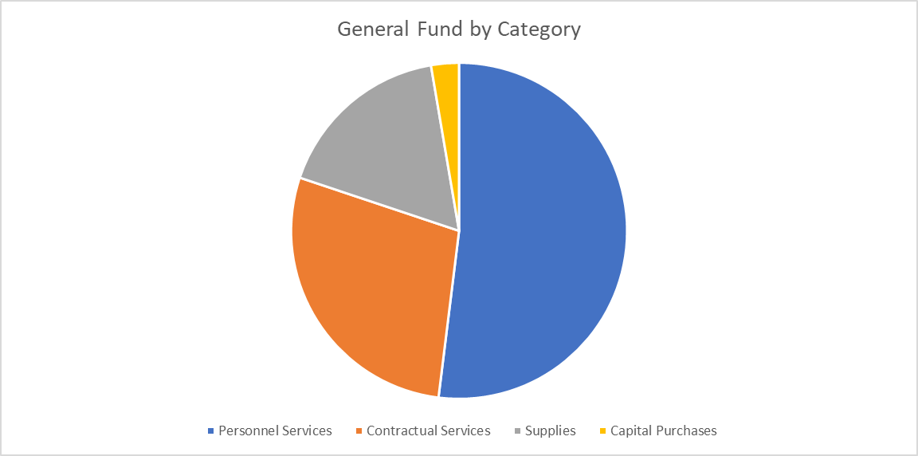

2.68%
Capital
Purchases

17.19%
Supplies

51.96%
Personnel
Services
28.16%
Contract.
Services

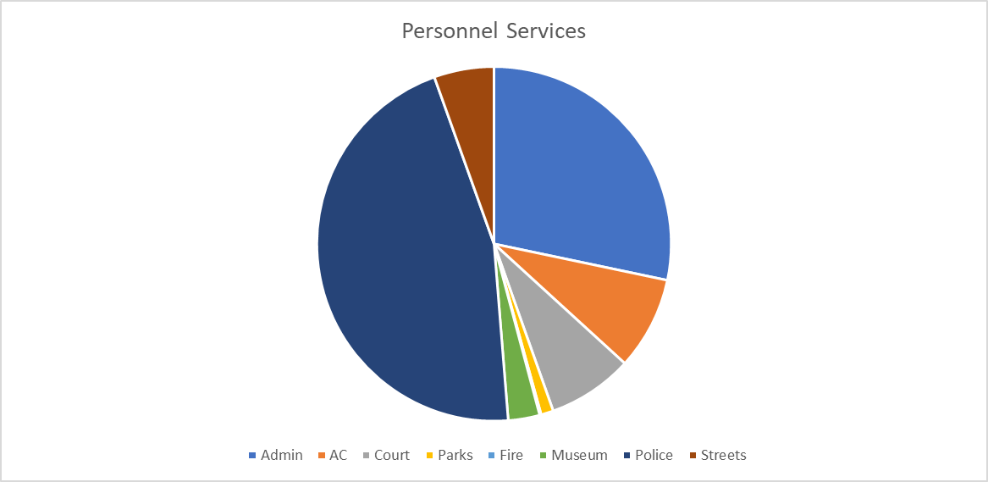

5.47% Streets

28.29%
Admin

45.81%
Police
8.49% Animal Control

7.8% Court

2.87% Museum
1.13% Parks

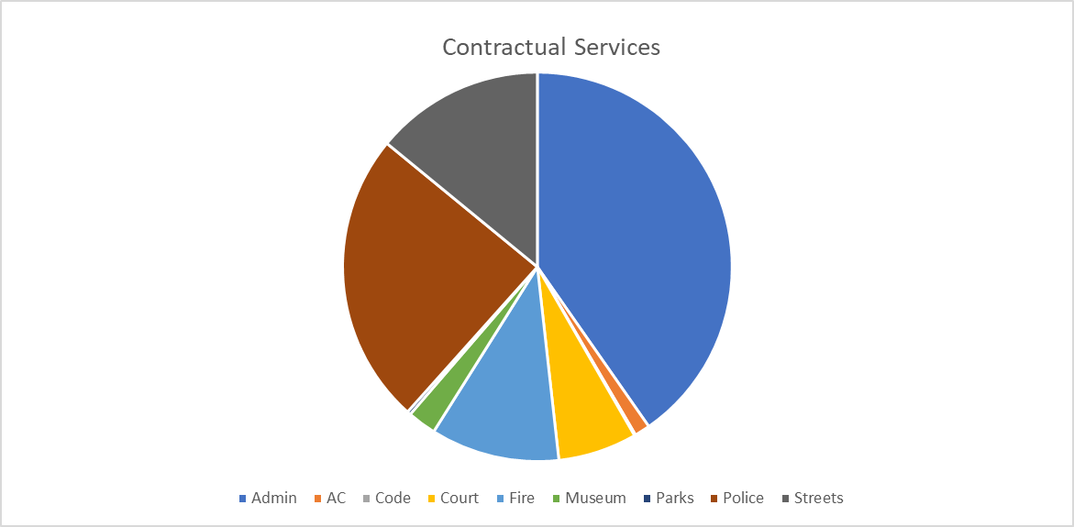

14.06% Streets

40.31%
Admin
24.31% Police

2.39% Museum
1.28% Animal Control
6.55% Court
10.7% Fire

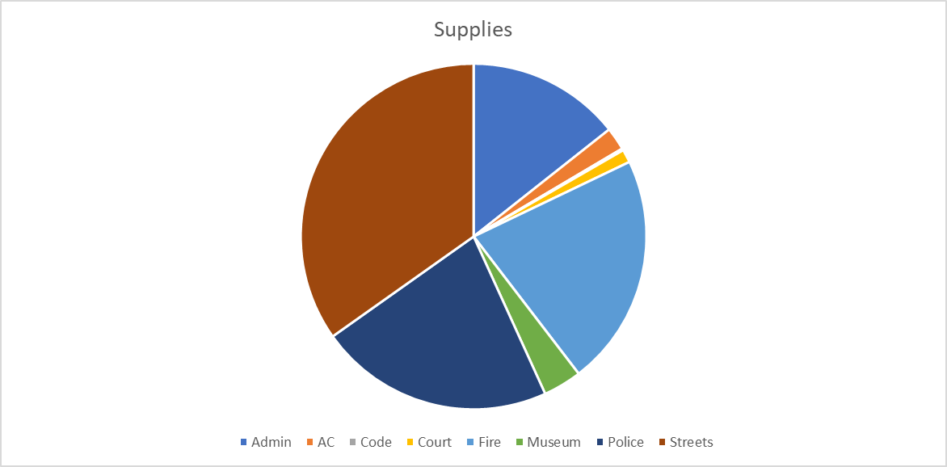

2.13% Animal Control

14.36%
Admin
1.22% Court

34.81% Streets

21.7%
Fire

21.98%
Police
3.61% Museum

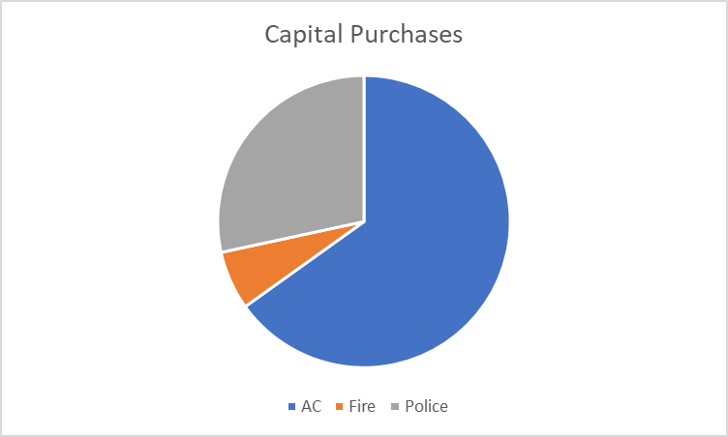

28.38%
Police
65.10%
Animal
Control

6.51% Fire

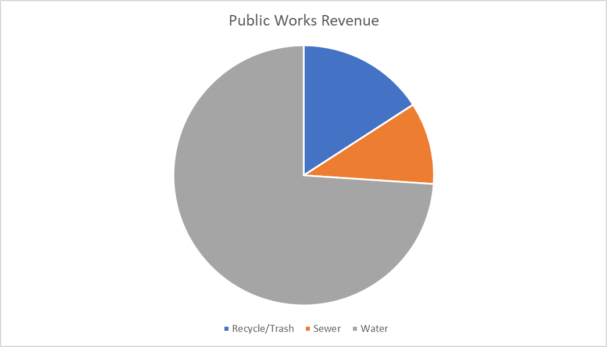

15.85%
Recycle/Trash

10.2%
Sewer

73.94%
Water

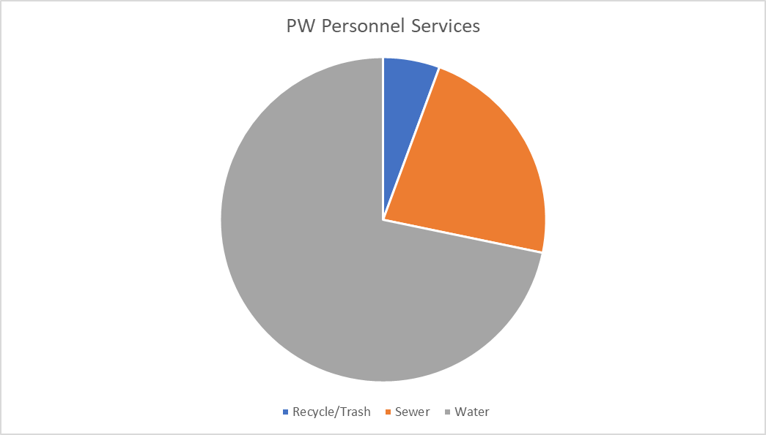

5.62% Recycle/Trash

22.64%
Sewer

71.74%
Water

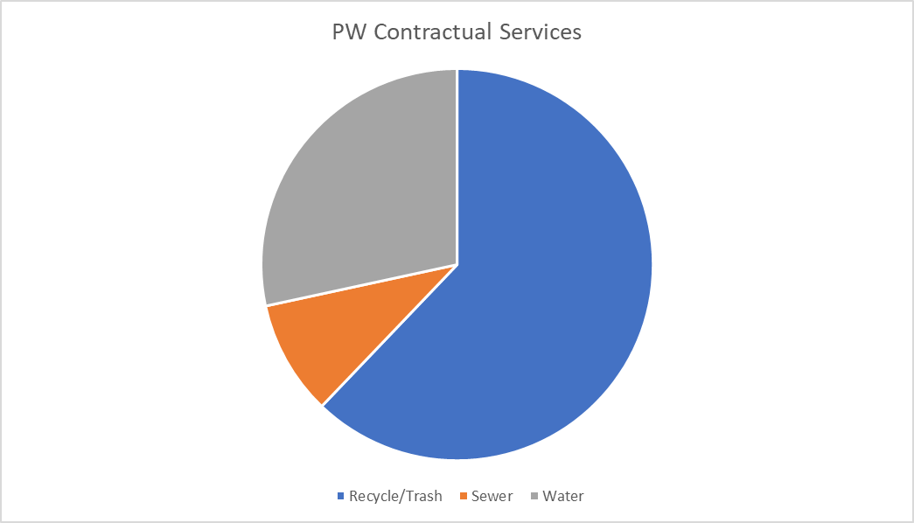

28.39%
Water

62.14%
Recycle/Trash

9.47%
Sewer

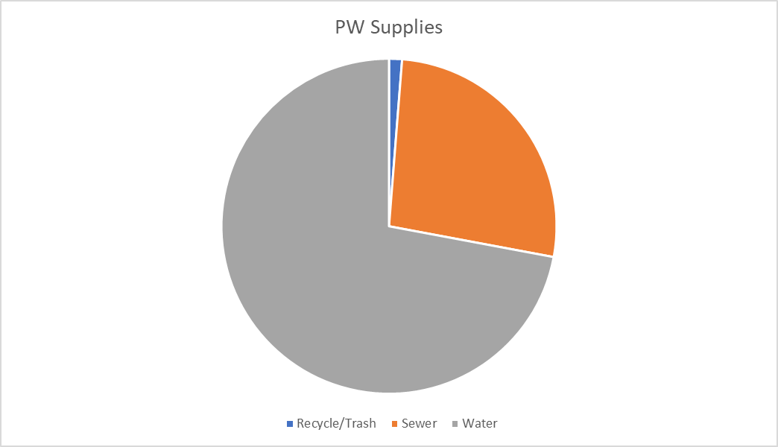
1.25% Recycle/Trash

26.7%
Sewer

72.05%
Water

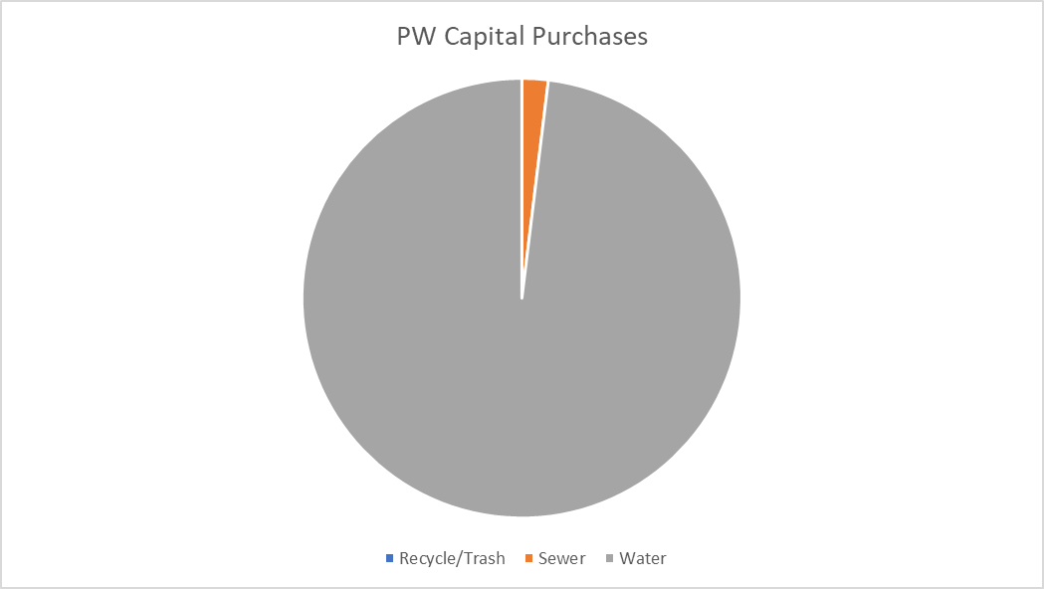

1.9% Sewer

98.1% Water

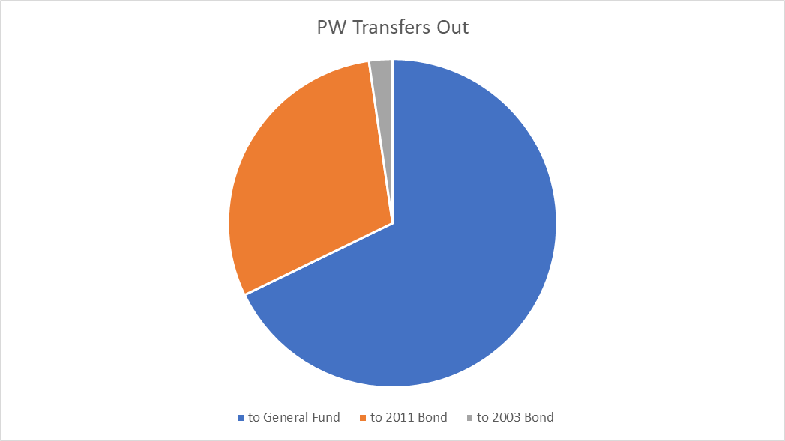

2.29% to 2003 Bond

29.9% to
2011 Bond

67.81%
to General Fund

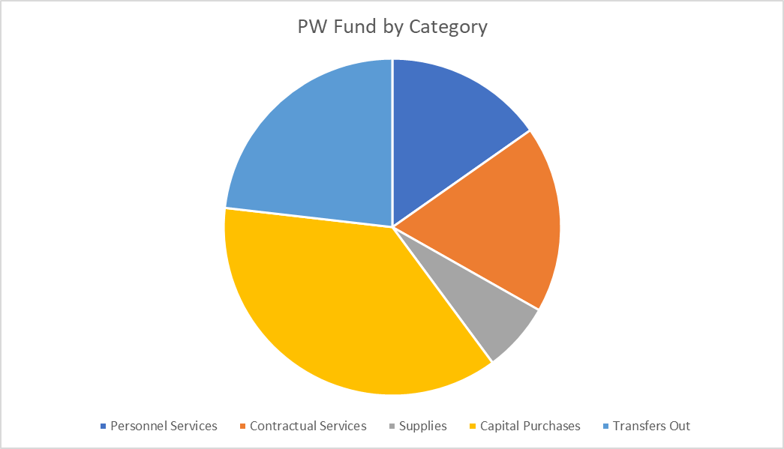

15.24%
Personnel
Services
23.17%
Transfers Out

17.96%
Contractual
Services

36.94%
Capital Purchases

6.68% Supplies

